TEDB Edition 40
Results from the GREET 1 2021 model on emissions of carbon dioxide equivalents per mile are shown for various fuels and vehicle technologies. A full description of the model is on the preceding pages.

Figure 12.4. Well-to-Wheel Emissions for Various Fuels and Vehicle Technologies

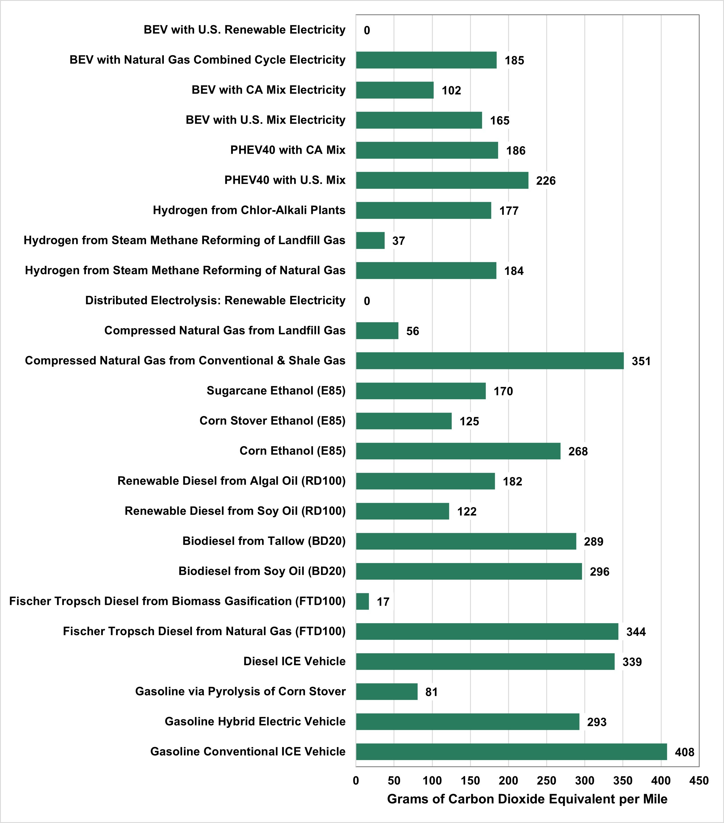

Feedstock | Grams of Carbon Dioxide Equivalent per Mile
Gasoline Conventional ICE Vehicle | 408
Gasoline Hybrid Electric Vehicle | 293
Gasoline via Pyrolysis of Corn Stover | 81
Diesel ICE Vehicle | 339
Fischer Tropsch Diesel from Natural Gas (FTD100) | 344
Fischer Tropsch Diesel from Biomass Gasification (FTD100) | 17
Biodiesel from Soy Oil (BD20) | 296
Biodiesel from Tallow (BD20) | 289
Renewable Diesel from Soy Oil (RD100) | 122
Renewable Diesel from Algal Oil (RD100) | 182
Corn Ethanol (E85) | 268
Corn Stover Ethanol (E85) | 125
Sugarcane Ethanol (E85) | 170
Compressed Natural Gas from Conventional & Shale Gas | 351
Compressed Natural Gas from Landfill Gas | 56
Distributed Electrolysis: Renewable Electricity | 0
Hydrogen from Steam Methane Reforming of Natural Gas | 184
Hydrogen from Steam Methane Reforming of Landfill Gas | 37
Hydrogen from Chlor-Alkali Plants | 177
PHEV40 with U.S. Mix | 226
PHEV40 with CA Mix | 186
BEV with U.S. Mix Electricity | 165
BEV with CA Mix Electricity | 102
BEV with Natural Gas Combined Cycle Electricity | 185
BEV with U.S. Renewable Electricity | 0

Note: BEV = Battery-electric vehicle. PHEV40 = Plug-in hybrid electric vehicle with 40-mile electric range. hybrid electric vehicle with 40-mile electric range.

Source:
Argonne National Laboratory, GREET WTW Calculator and Sample Results from GREET 1 2021, greet.es.anl.gov/results. (Additional resources: greet.es.anl.gov)

